dbms
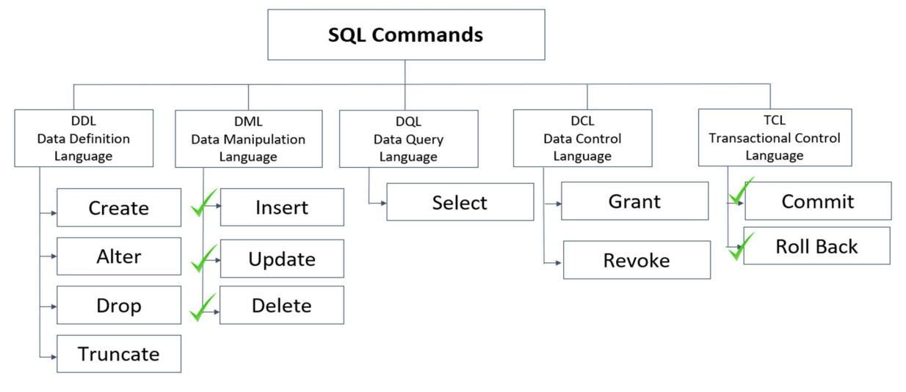
 | Introduction to RDBMS |  | DBMS
 |  |  | it can be added, deleted, updated and retrieved from one place
 | A relational database refers to a database that
 | stores data in a structured format, using rows and |  | RDBMS
 | columns. |  | RDBMS allows to store, retrieve or manipulate data, but in a more efficient way than DBMS

 | It is "relational" because the values within each
 | table are related to each other. |  | Data
 |  |  | Data is defined as facts or figures, or information that's stored in or used by a computer.
 | Tables may also be related to other tables.

The key difference is that RDBMS (relational database management system) applications store data in a tabular form, whereas in tradition approach, applications store data as files. |  |  | Database
 |  |  | A database is a collection of information that is organized so that it can be easily accessed, managed and updated.

 |  |  |  | 0.029126213592
 | Normalization
 | Decompose larger, complex table into simpler and smaller ones |  |  |  | Built-in Data Types
 |  |  |  |  | • Numeric: TINYINT INT, BIGINT
 |  | First Normal Form (1NF) |  |  | • Floating numbers: DECIMAL, FLOAT
 |  | All attributes in the relation are atomic in nature and there are no repeating elements or group of elements. |  |  | • Strings: CHAR, VARCHAR, BLOB, TEXT
 |  |  |  |  | • Date and Time: DATE, TIME, DATETIME

 |  | Second Normal Form (2NF)
 |  | No partial dependency exists between non-key attributes and key attributes. |  |  | Numeric – Data Types |  | Date
 |  |  |  |  | Datatype From To |  | Datatype Description
 |  |  |  |  | Tinyint 0 to 255 |  | DATE Stores date (format YYYY-MM-DD)
 |  | Second Normal Form (2NF) |  |  | int -2,147,483,648 to 2,147,483,647 |  | TIME Stores time (format HH:MI:SS)
 |  | No transitive dependency exists between non-key attributes and key attributes through another non-key attribute |  |  | bigint -9,223,372,036,854,775,808 to 9,223,372,036,854,77 |  | DATETIME Stores information of date and time (format YYYY-MM-DD
 |  |  |  |  |  |  | HH:MI:SS)
 |  |  |  |  | Floating Numbers | Strings
 |  |  |  |  | Datatype From To | DataType Description
 |  |  |  |  | Decimal -10^38 +1 10^38 -1 | CHAR Fixed length (Max - 8,000 characters)
 |  |  |  |  | Float -1.79E + 308 1.79E + 308 | VARCHAR Variable length storage (Max – 8,000 characters)
 |  |  |  |  |  | BLOB For binary large objects
 |  |  |  |  |  | TEXT Variable length storage (Max Size – 1GB data)

 |  |  |  |  | Constraints
 |  |  |  |  | NOT NULL Ensures that a column cannot have a NULL value.
 |  |  |  |  | DEFAULT Provides a default value for a column when none is specified.
 |  |  |  |  | UNIQUE Ensures that all the values in a column are different
 |  |  |  |  | PRIMARY Uniquely identifies each row/record in a database table
 |  |  |  |  | FOREIGN Uniquely identifies a row/record in any another database table
 |  |  |  |  | CHECK The CHECK constraint ensures that all values in a column satisfy certain conditions.
 |  |  |  |  | INDEX Used to create and retrieve data from the database very quickly.

ddl dml
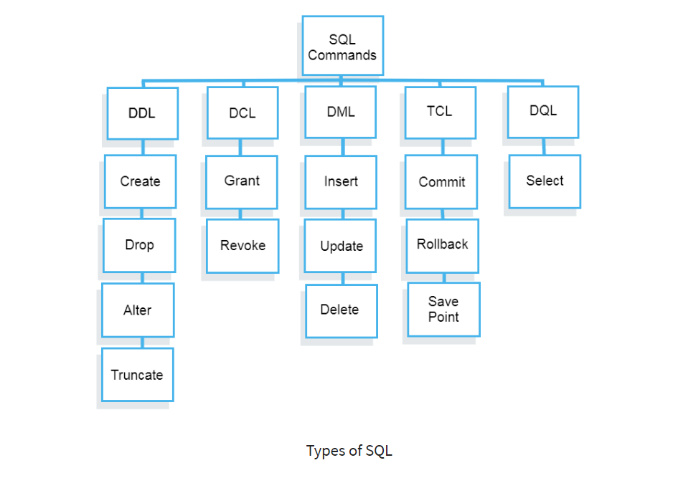

CREATE | --> database, table | INSERT | --> database, table | INSERT INTO table_name
 | CREATE DATABASE db_name; |  |  | VALUES
 |  |  |  | (x,g,y,….)
ALTER | --> change, modify, Add column,drop, add column after |  |  | (x,g,y,….);
 | ALTER TABLE table_name CHANGE COLUMN_NAME col_nam VARCHAR(?); | UPDATE |  | UPDATE table_name
 | ALTER TABLE table_name MODIFY COLUMN_NAME VARCHAR(?); |  |  | SET | col_name=" ", col_name = ?....
 | ALTER TABLE table_name ADD COLUMN col_nam VARCHAR(?)/INT; |  |  | WHERE col_name = val;
 | ALTER TABLE table_name ADD col_nam VARCHAR(?)/INT AFTER COLUMN_NAME;
 | ALTER TABLE table_name DROP COLUMN col_nam; | DELETE |  | DELETE FROM table_name
DROP | --> drop tables and databses completely |  |  | WHERE col_name = val;
 | DROP TABLE employees;
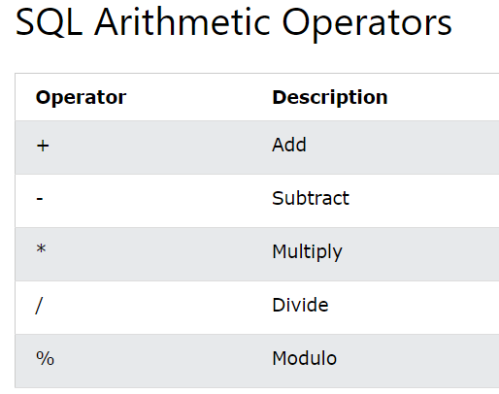
RENAME | rename the table | COMMIT
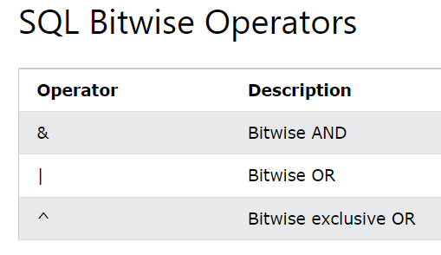
 | RENAME TABLE employees to employees_info; | ROLLBACK

TRUNCATE | --> to remove table data
 | TRUNCATE TABLE employees_info;

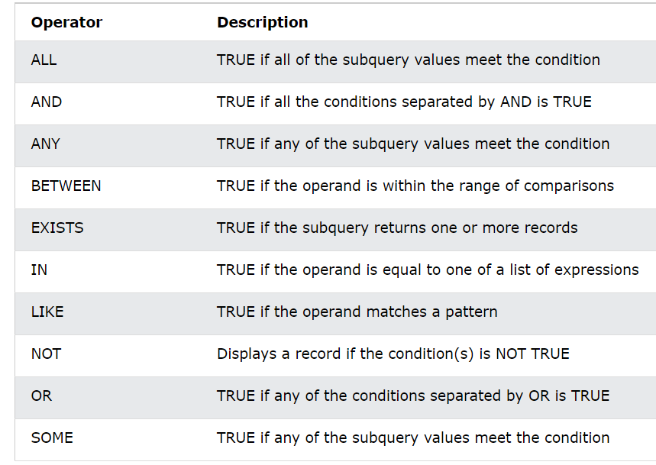
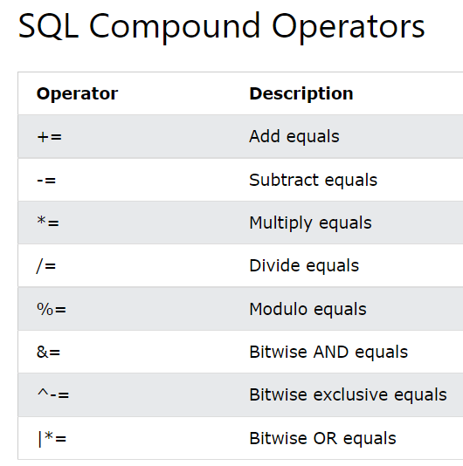
 |  |  |  |  |  | 1 | 103 | 102
 |  |  |  |  |  | 2 | 102 | 100
 |  |  |  |  |  | 3 | 101 | 98
 |  |  |  |  |  | 4 | 100 | 96
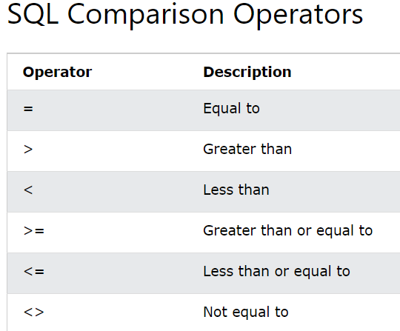
 |  |  |  |  |  | 5 | 99 | 94
 |  |  |  |  |  | 6 | 98 | 92
 |  |  |  |  |  | 7 | 97 | 90
 |  |  |  |  |  | 8 | 96 | 88
 |  |  |  |  |  | 9 | 95 | 86
 |  |  |  |  |  | 10 | 94 | 84
 |  |  |  |  |  | 11 | 93 | 82
 |  |  |  |  |  | 12 | 92 | 80
 |  |  |  |  |  | 13 | 91 | 78
 |  |  |  |  |  | 14 | 90 | 76
 |  |  |  |  |  | 15 | 89 | 74
 |  |  |  |  |  | 16 | 88 | 72
 |  |  |  |  |  | 17 | 87 | 70
 |  |  |  |  |  | 18 | 86 | 68
 |  |  |  |  |  | 19 | 85 | 66
 |  |  |  |  |  | 20 | 84 | 64
 |  |  |  |  |  | 21 | 83 | 62
 |  |  |  |  |  | 22 | 82 | 60
 |  |  |  |  |  | 23 | 81 | 58
 |  |  |  |  |  | 24 | 80 | 56
 |  |  |  |  |  | 25 | 79 | 54
 |  |  |  |  |  | 26 | 78 | 52
 |  |  |  |  |  | 27 | 77 | 50
 |  |  |  |  |  | 28 | 76 | 48
 |  |  |  |  |  | 29 | 75 | 46
 |  |  |  |  |  | 30 | 74 | 44
 |  |  |  |  |  | 31 | 73 | 42
 |  |  |  |  |  | 32 | 72 | 40
 |  |  |  |  |  | 33 | 71 | 38
 |  |  |  |  |  | 34 | 70 | 36
 |  |  |  |  |  | 35 | 69 | 34
 |  |  |  |  |  | 36 | 68 | 32
 |  |  |  |  |  | 37 | 67 | 30
 |  |  |  |  |  | 38 | 66 | 28
 |  |  |  |  |  | 39 | 65 | 26
 |  |  |  |  |  | 40 | 64 | 24
 |  |  |  |  |  | 41 | 63 | 22
 |  |  |  |  |  | 42 | 62 | 20
 |  |  |  |  |  | 43 | 61 | 18
 |  |  |  |  |  | 44 | 60 | 16
 |  |  |  |  |  | 45 | 59 | 14
 |  |  |  |  |  | 46 | 58 | 12
 |  |  |  |  |  | 47 | 57 | 10
 |  |  |  |  |  | 48 | 56 | 8
 |  |  |  |  |  | 49 | 55 | 6
 |  |  |  |  |  | 50 | 54 | 4
 |  |  |  |  |  | 51 | 53 | 2
 |  |  |  |  |  | 52 | 52 | 0
 |  |  |  |  |  | 53 | 51 | -2
 |  |  |  |  |  | 54 | 50 | -4
 |  |  |  |  |  | 55 | 49 | -6
 |  |  |  |  |  | 56 | 48 | -8
 |  |  |  |  |  | 57 | 47 | -10
 |  |  |  |  |  | 58 | 46 | -12
 |  |  |  |  |  | 59 | 45 | -14
 |  |  |  |  |  | 60 | 44 | -16
 |  |  |  |  |  | 61 | 43 | -18
 |  |  |  |  |  | 62 | 42 | -20
 |  |  |  |  |  | 63 | 41 | -22
 |  |  |  |  |  | 64 | 40 | -24
 |  |  |  |  |  | 65 | 39 | -26
 |  |  |  |  |  | 66 | 38 | -28
 |  |  |  |  |  | 67 | 37 | -30
 |  |  |  |  |  | 68 | 36 | -32
 |  |  |  |  |  | 69 | 35 | -34
 |  |  |  |  |  | 70 | 34 | -36
 |  |  |  |  |  | 71 | 33 | -38
 |  |  |  |  |  | 72 | 32 | -40
 |  |  |  |  |  | 73 | 31 | -42
 |  |  |  |  |  | 74 | 30 | -44
 |  |  |  |  |  | 75 | 29 | -46
 |  |  |  |  |  | 76 | 28 | -48
 |  |  |  |  |  | 77 | 27 | -50
 |  |  |  |  |  | 78 | 26 | -52
 |  |  |  |  |  | 79 | 25 | -54
 |  |  |  |  |  | 80 | 24 | -56
 |  |  |  |  |  | 81 | 23 | -58
 |  |  |  |  |  | 82 | 22 | -60
 |  |  |  |  |  | 83 | 21 | -62
 |  |  |  |  |  | 84 | 20 | -64
 |  |  |  |  |  | 85 | 19 | -66
 |  |  |  |  |  | 86 | 18 | -68
 |  |  |  |  |  | 87 | 17 | -70
 |  |  |  |  |  | 88 | 16 | -72
 |  |  |  |  |  | 89 | 15 | -74
 |  |  |  |  |  | 90 | 14 | -76
 |  |  |  |  |  | 91 | 13 | -78
 |  |  |  |  |  | 92 | 12 | -80
 |  |  |  |  |  | 93 | 11 | -82
 |  |  |  |  |  | 94 | 10 | -84
 |  |  |  |  |  | 95 | 9 | -86
 |  |  |  |  |  | 96 | 8 | -88
 |  |  |  |  |  | 97 | 7 | -90
 |  |  |  |  |  | 98 | 6 | -92
 |  |  |  |  |  | 99 | 5 | -94
 |  |  |  |  |  | 100 | 4 | -96
 |  |  |  |  |  | 101 | 3 | -98
 |  |  |  |  |  | 102 | 2 | -100
 |  |  |  |  |  | 103 | 1 | -102

data type
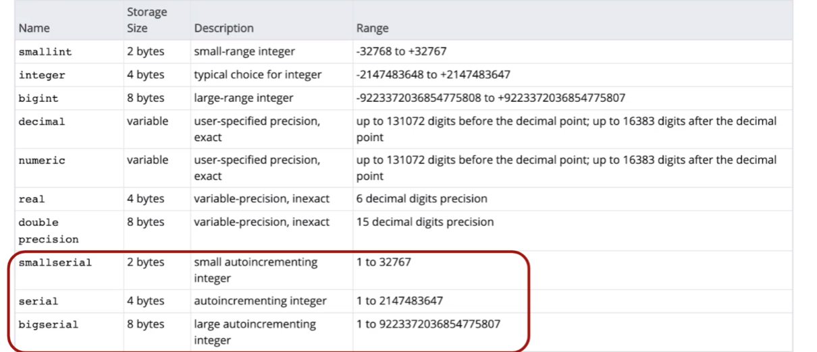
Type | Storage (Bytes) | Minimum Value Signed | Minimum Value Unsigned | Maximum Value Signed | Maximum Value Unsigned
TINYINT | 1 | -128 | 0 | 127 | 255
SMALLINT | 2 | -32,768 | 0 | 32,767 | 65,535
MEDIUMINT | 3 | -8,388,608 | 0 | 8,388,607 | 16,777,215
INT | 4 | -2,147,483,648 | 0 | 2,147,483,647 | 4,294,967,295
BIGINT | 8 | -2^63 | 0 | 2^63-1 | 2^64-1

